SSw
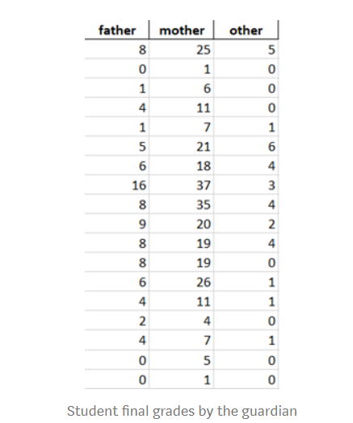
Father (x1) | (x1-mean(x1))^2 | Mother (x2) | (x2-mean(x2))^2 | Other (x3) | (x3-mean(x3))^2
8 | 9 | 25 | 96.69 | 5 | 10.38
0 | 25 | 1 | 200.69 | 0 | 3.16 |  | Mean(Father) | 5
1 | 16 | 6 | 84.03 | 0 | 3.16 |  | Mean(Mother) | 15.17
4 | 1 | 11 | 17.36 | 0 | 3.16 |  | Mean(Other) | 1.78
1 | 16 | 7 | 66.69 | 1 | 0.60 |  | grand mean | 7.31
5 | 0 | 21 | 34.03 | 6 | 17.83
6 | 1 | 18 | 8.03 | 4 | 4.94 |  |  |  | 441
16 | 121 | 37 | 476.69 | 3 | 1.49
8 | 9 | 35 | 393.36 | 4 | 4.94
9 | 16 | 20 | 23.36 | 2 | 0.05
8 | 9 | 19 | 14.69 | 4 | 4.94
8 | 9 | 19 | 14.69 | 0 | 3.16
6 | 1 | 26 | 117.36 | 1 | 0.60
4 | 1 | 11 | 17.36 | 1 | 0.60
2 | 9 | 4 | 124.69 | 0 | 3.16
4 | 1 | 7 | 66.69 | 1 | 0.60
0 | 25 | 5 | 103.36 | 0 | 3.16
0 | 25 | 1 | 200.69 | 0 | 3.16 | SSW
SUM | 294 |  | 2060.50 |  | 69.11 | 2423.6111111

 |  |  |  |  |  |  |  |  |  | 6851
 |  |  |  |  |  |  |  |  |  | 23202
 |  |  |  |  |  |  |  |  |  | 13301
 |  |  |  |  |  |  |  |  |  | 1857
 |  |  |  |  |  |  |  |  |  | 45211 | 45207

